Sheet1
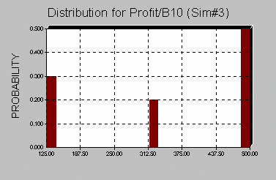
Order quantity | 100 | =RiskSimtable(F5:F9) |  | 95% CI
Quantity demanded | 188 | =ROUND(RiskNormal(200,30),0) |  |  | PARIS HILTON
Sales price | $4.50 |  |  |  | DISCRETE RANDOM VARIABLE
Salvage value | $0.75 |  |  |  | demand | prob
Purchase price | $2.00 |  |  |  | 100 | 0.3 | 0-.3
 |  |  |  |  | 150 | 0.2 | .3-.5
Full price revenue | $450.00 | =MIN(B1,B2)*B3 |  |  | 200 | 0.3 | .5-.8
Salvage revenue | $0.00 | =IF(B1>B2,B1-B2,0)*B4 |  |  | 250 | 0.15 | .8-.95
Costs | $200.00 | =B5*B1 |  |  | 300 | 0.05 | .95-1
Profit | $250.00 | =RiskOutput()+B7+B8-B9
 |  |  |  |  |  | SUM OF PROBABILITIES
140 | ------------------- | ------------------------------------------ | 260 |  |  | 1
 |  | Mean=200 |  |  |  | EXPECTED DEMAND
1. SELECT OUTPUT CELL(S) | 95% chance with 60 of mean |  |  |  |  | 172.5
2. SELECT NUMBER OF ITERATIONS | 2*sigma=60 |  | RISKSIMTABLE |  |  | DICE DARK GREY
AND SIMULATIONS | sigma =30 |  | LET'S US LOOP THRU A |  |  | F9 RECALCS THE SPREADSHEET
3. START SIMULATION |  |  | VALUE IN A CELL |  |  | WITH INPUTTED PROBABILITIES
HAVE CURSOR IN OUTPUT CELLS |  |  |  |  |  | FOR EACH @RISK RANDOM VARIABLE
 | CONTINUOUS RANDOM VARIABLE |  | ITERATIONS=1000 DEMANDS FOR EACH
IQ'S NORMAL MEAN =100 | HAS PDF(PROBABILITY DENSITY FUNCTION) |  | ORDER QUANTITY
SIGMA =15 | 1. PDF>=0 |  | SIMULATION NUMBER MATCHES
 | 2. TOTAL AREA UNDER PDF = 1. |  | NUMBER OF ENTRIES IN SIMTABLE
 | 3. AREA UNDER PDF = PROBABILITY |  | IF NO SIMTABLE NUMBER OF SIMULATIONS=1

