Sheet1
 | riskfree | 0.02
 | duration | 0.42191780822 |  |  |  |  | October 20,2017 European Option Prices
 | vol | 0.194 |  |  |  |  | 2017-05-19
 | mu | 0.08823 |  |  |  | Calls
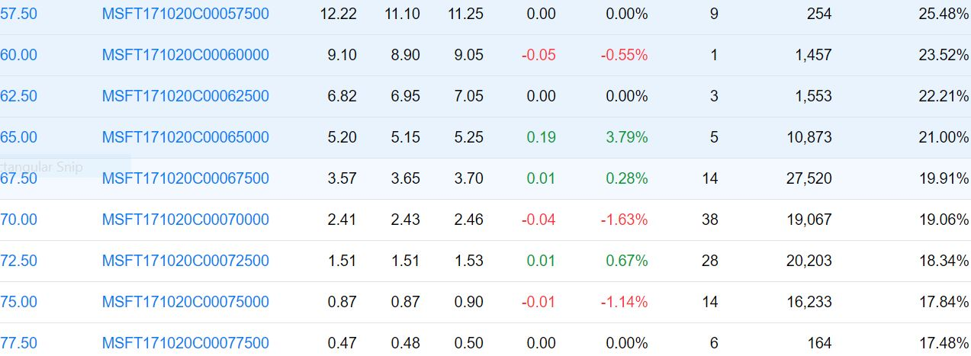
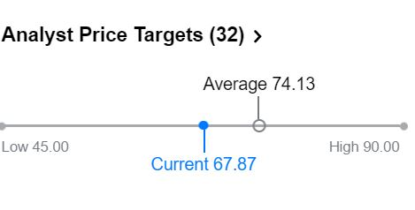
Today | 2017-10-20
67.87 | 72.188759266

 | Does well if stock does not move much
 | Butterfly | 2017-05-19 | 2017-10-20
62.5 | Buy 62.50 call | $(6.82) | $9.69
72.5 | Buy 72.50 Call | $(1.51) | $-
67.5 | Sell 2 67.50 Call | $7.14 | $(9.38) | NPV
 | Total | $(1.19) | $0.31 | $(0.88)
 | Straddle Buy Call and Put
 | Same Ex Price
 | Does well if stock moves a lot |  |  |  | Puts
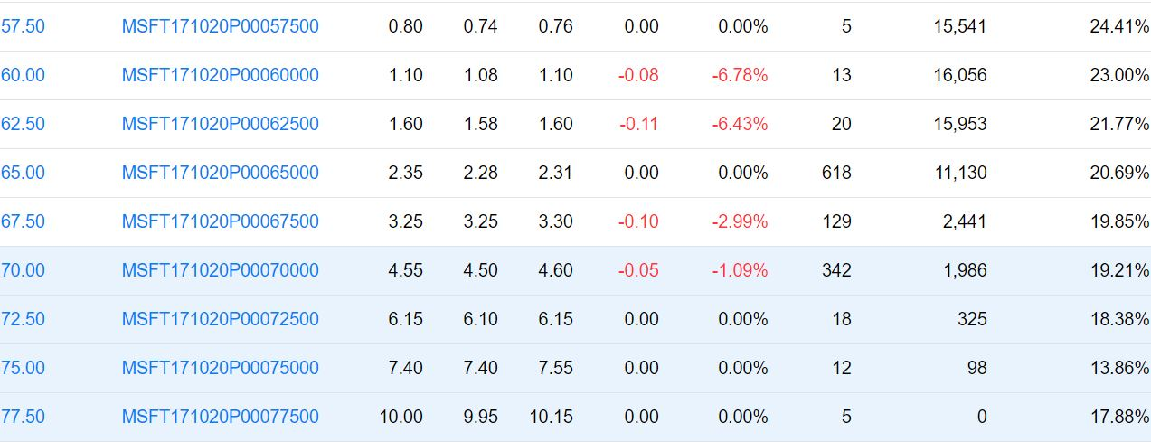
 |  | 2017-05-19 | 2017-10-20
67.5 | Call 67.50 | $(3.57) | $4.69
67.5 | Put 67.50 | $(3.25) | $- | NPV
 | Total | $(6.82) | $4.69 | -$2.17

