Sheet1
 | Beta random variable
 | used to model duration of activity
Fit a beta | in project management
 | specify alpha beta, min and max
alpha | 2.1962617142 | mean | 78.486471176
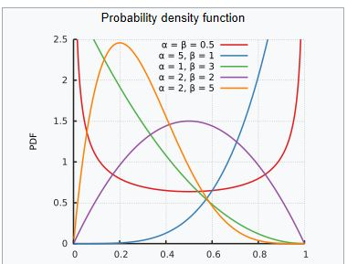
beta | 14.593345574 | sigma | 47.967
lower | 0 |  | Data
upper | 600 |  | 26.257
mean | 78.486471176 |  | 91.840
sigma | 47.967491879 |  | 66.543
transformed mean | 0.13081078529 |  | 53.893
transformed var | 0.0063913341032 |  | 222.437
 |  |  | 72.054
 |  |  | 75.357
Probability>=200 hours | 0.020501978143 |  | 78.274
Probability <=80 hours | 0.58323840802 |  | 99.044
Probability between 30 and 150 hours | 0.77105777046 |  | 90.476
95th percentile of activity duration |  |  | 47.000
 |  |  | 16.215
 |  |  | 117.277
=BETA.DIST(x,alpha,beta,true,min,max) |  |  | 69.935
Probability Beta is <=x |  |  | 50.694

BETA.INV gives percentiles of the Beta random variable

