Sheet1
 |  |  |  |  |  |  |  | Weibull Random Variable
 |  |  | alpha | 2.7252652663 |  |  |  | Continuous Random Variable
 |  |  | beta | 21.003718034 |  |  |  | Used to model life of a machine
 |  |  |  |  |  |  |  | Can have increasing failure rate
 |  |  |  |  |  | assumed | Sq Err | or decreasing failure rate
 |  |  | mean | 18.684281868 | = | 18.684285714 | 1.4791101591E-11 | Exponential random variable has constant failure rate
 |  |  | variance parts | 441.15617125
 |  |  |  | 0.91549330365
 |  |  |  | 0.8895702103
 |  |  | variance | 54.773131701
 |  |  | sigma | 7.4008872239 | = | 7.4008847605 | 6.0683830103E-12

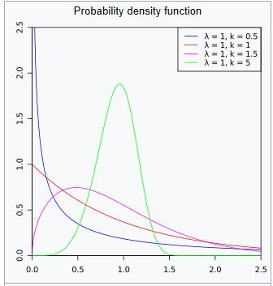
mean | 18.684285714 |  |  |  | SSE | 2.0859484601E-11
sigma | 7.4008847605

 | Machine 1 | 8.5 |  |  | Prob>=20 hours | 0.41683182171
 | Machine 2 | 12.54
 | Machine 3 | 13.75 |  |  | Prob between 15 and 30 hours | 0.59941722861
 | Machine 4 | 19.75
 | Machine 5 | 21.46
 | Machine 6 | 26.34
 | Machine 7 | 28.45 |  |  | =WEIBULL.DIST(x,alpha,beta,True)

 |  |  |  |  | Probability Weibull<=x
 |  |  |  |  | with parameters alpha and beta

